Bug Report
Defect Report |  | Defect Report |  | Defect Report |  | Defect Report

Bug ID | BUG_001 | Bug ID | BUG_002 | Bug ID | BUG_003 | Bug ID
Title | No web-based contact form on the Contact page - only a mailto link | Title | The App didn't switch language to some features | Title | PIN/biometric not available | Title
Module | Website - Contact | Module | Settings - Language | Module | Settings - App lock | Module
Environment | Live site, hisabdo.app/contact.html, checked Aug 8, 2026 | Environment | HisabDo app | Environment | HisabDo app | Environment
Steps to Reproduce | 1- Navigate to https://hisabdo.app/contact.html 2- Look for a fillable contact form (name/email/message) | Steps to Reproduce | 1- Open Settings 2- Change language to Arabic 3- Observe the app UI | Steps to Reproduce | 1- From settings Enable PIN or biometric lock 2- Set a PIN/register biometric | Steps to Reproduce
Expected Result | A working on-page contact form should be available for visitors who don't have a configured email client on their current device (e.g. browsing from a work PC) | Expected Result | UI text switches to Arabic across all screens without layout breakage | Expected Result | Lock is enabled successfully | Expected Result
Actual Result | Only 'mailto:support@hisabdo.app' links are provided ('Send Email', 'Email Support Now', 'Email Us') - there is no actual HTML form to fill out on the page | Actual Result | The greeting message, analytics screen and quick actions section didn't switch to Arabic | Actual Result | PIN/biometric not available | Actual Result
Severity | Low | Severity | Medium | Severity | High | Severity
Priority | Low | Priority | High | Priority | High | Priority
Screenshot | 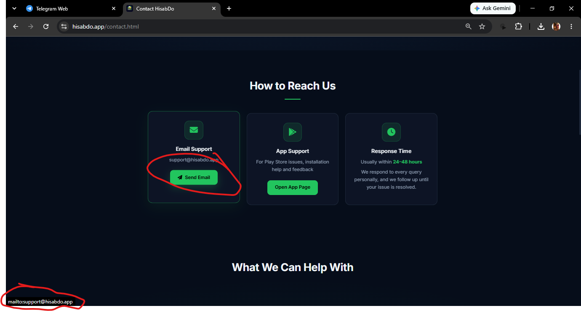 | Screenshot | 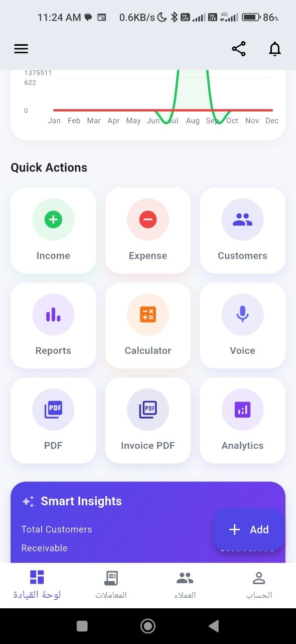 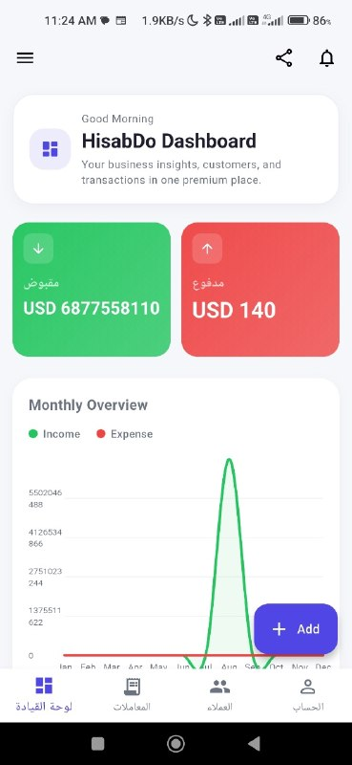 | Screenshot | 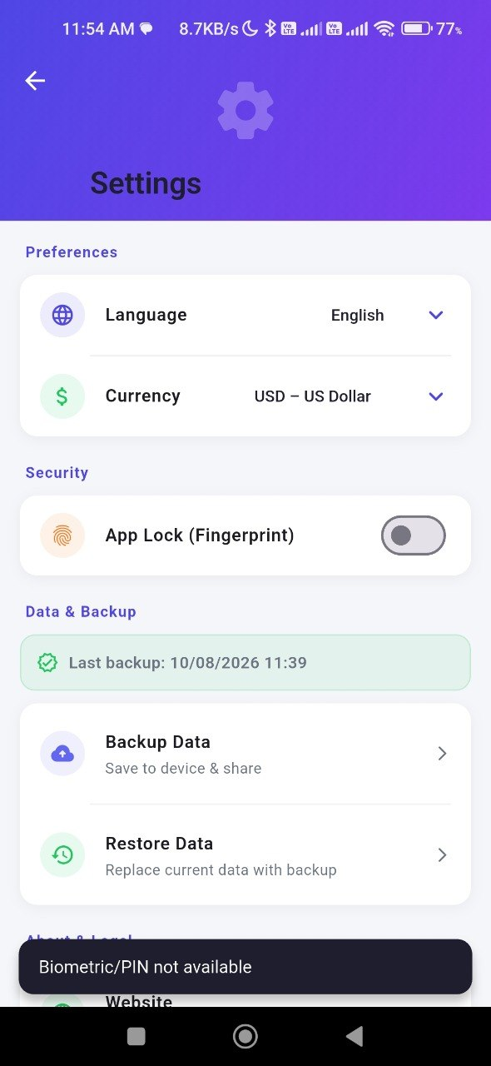 | Screenshot
Status | open | Status | Open | Status | Open | Status

